Summary table
Chapter | Learning Method | Mathematical problem | Tuning Parameter | Tuning Parameter chosen via… | Accuracy of the model measured through | Potential Problems
2.0 | KNN |  | K | 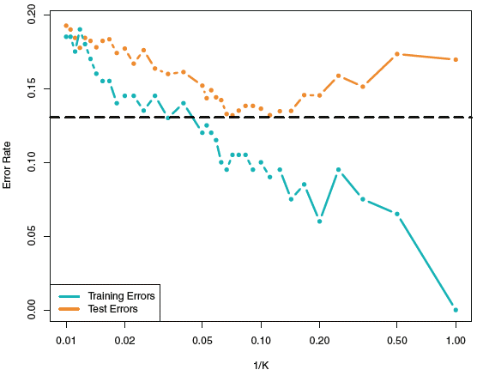 cross-validation | Accuracy = (TP + TN) / n TP: quantity of True Positives TN: quantity of True Negatives n: number of observations Precision of the clases: Precision NO = TN/Actual NO Precision YES = TP/Actual YES Values can be obtained from the confussion matrix & classification_report in Python-sklearn | Pros of KNN vs Log Regression & LDA & even QDA when the decision boundary is highly non-linear, KNN (as a non-parametric approach) is better Contras of KNN vs Log Regression & LDA KNN doesn't tell us which predictors are important; we don't get a table of coefficients Contras of KNN vs QDA if n is small, QDA is better
3.0 | Linear regression | Minimize RSS RSS = e1^2+e2^2+e3^2+…en^2 Total Variance = exp Var + unex Var TSS = exp Var + RSS TSS = exp Var + (e1^2+e2^2+e3^2+…en^2) Alternative Formula from Udemy course SST = SSR + SSE Interaction between variables can also be coonsidered. The Formula below applies for a model with 2 Factors | Considering interactions Removing Factors | Based on the P-values of the T-Statistic of each predictor we can remove the ones with the highest P-Values. To select which predictors to remove tyr one of the following: 1. Forward selection 2. Backward Selection 3.Mixed Selection. See explanation in Page 94 of ISL | n: number of observations p: number of factors p-value associated based on the F-statistic, n & p of the model. The lower the P-Value (i.e. 0.000001) the better! The closer to 1 is R, the better! | 1. Non-linearity of the response-predictor relationships. (Linearity) 2. Correlation of error terms. (No Endogeneity) 3. Non-constant variance of error terms. (Homocedasticity -> Equal Variance) 4. Outliers. 5. High-leverage points. 6. Collinearity.
4.1 | Logistic Regression |  |  |  | Accuracy = (TP + TN) / n TP: quantity of True Positives TN: quantity of True Negatives n: number of observations Precision of the clases: Precision NO = TN/Actual NO Precision YES = TP/Actual YES Values can be obtained from the confussion matrix & classification_report in Python-sklearn | Log Regression is not so popular for multiple-class classification. Basic Assumption of LDA & QDA: that the observations whithin each class come from a multivariate Normal dist. with a class-specific mean vector and a covariance matrix LDA VS Log Regression If n is small and the basic assumption is correct, LDA is more stable than log regression. Otherwhise Log Regression is better Pros of LDA Vs QDA if n is low and so reducing variance is crucial. LDA is a much less flexible classifier than QDA and tends to be better than QDA Pros of QDA Vs LDA -if the training set is very large, so that the variance of the classifier is not a major concern, or if the assumption of a common covariance matrix for the K classes is clearly untenable, QDA is recommended -when the decision boundary is highly non-linear, KNN is better
4.2 | Linear Discriminant Analysis | 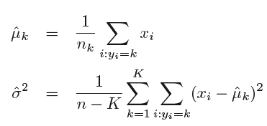 To Calculate the posterior probability of x resulting in y belonging to class =K For P =1 Observation X=x is assigned to the class for which this formula is largest: applying a Log… For P>1 μk is a class-specific mean vector, and Σ is a covariance matrix that is common to all K classes. | The threshold probability can be changed from 50% (Default Bayes) to something else i.e. 20%. | Such a decision must be based on domain knowledge The ROC curve is a popular graphic for simultaneously displaying the ROC curve two types of errors for all possible thresholds
4.3 | Quadratic Discriminant Analysis | To Calculate the posterior probability of x resulting in y belonging to class =K
8.0 | Decision Trees |  |  |  | Accuracy = (TP + TN) / n TP: quantity of True Positives TN: quantity of True Negatives n: number of observations Precision of the clases: Precision NO = TN/Actual NO Precision YES = TP/Actual YES Values can be obtained from the confussion matrix & classification_report in Python-sklearn
9.0 | SVM | 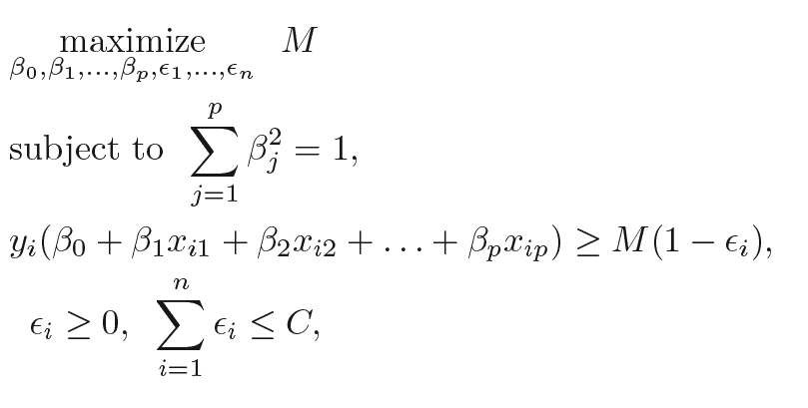 | C & ɣ | cross-validation for C GridSearch in Python for both | error e? | Pros of SVM vs LDA: it is more robust to the behaviour of observations that are far away from the hyperplane. Log Regression has also a low sensitivity to observations far from the decision boundary Pros of SVM vs Log Reg: when the classes are well separated, SVMs behaves better; otherwhise, Log Regression. SVMs are not so popular for multiple-class classification. SVMs can naturally only split the data into 2 clases. To use SVMs for classification problems with more than 2 classes, special approaches need to be taken

 |  |  |  |  |  |  | 0.94
 |  |  |  |  |  |  | 0.26

 |  | KIENES-home-123

